Historic percentages
State and Federal Funds Administered by MSL for Projects, Services, & Personnel
Project Description | LSTA FY 11 Period | FY 11 | LSTA FY 12 Period | FY 12 | LSTA FY 13 Period | FY 13 | LSTA FY 14 Period | FY 14 | LSTA FY 15 Period | FY 15 | LD FY 17 Percentages
MSC | $331,205 | 25% | $335,045 | 26% | $287,379 | 22% | $277,039 | 21% | $316,478 | 25% | 24%
OCLC Group Services | $180,193 | 14% | $174,955 | 13% | $179,554 | 13% | $201,057 | 15% | $185,825 | 15% | 17%
Courier | $14,637 | 1% | $16,334 | 1% | $18,392 | 1% | $20,270 | 2% | $19,760 | 2% | 2%
Training | $103,931 | 8% | $96,825 | 7% | $127,110 | 10% | $132,950 | 10% | $84,766 | 7% | 9%
Consulting | $221,004 | 17% | $216,957 | 17% | $215,010 | 16% | $222,473 | 17% | $226,058 | 18% | 19%
Montana Memory Project | $43,364 | 3% | $57,799 | 4% | $84,241 | 6% | $103,215 | 8% | $92,349 | 7% | 8%
Statewide Databases | $332,132 | 25% | $333,829 | 26% | $348,887 | 26% | $331,700 | 25% | $255,501 | 20% | 10%
Lifelong Learning (Early Literacy FY 11-FY 15) | $24,981 | 2% | $25,157 | 2% | $31,886 | 2% | $16,025 | 1% | $30,464 | 2% | 8%
Downloadable E-Content (OverDrive & ACS) | $56,404 | 4% | $49,956 | 4% | $39,595 | 3% | $34,098 | 3% | $37,060 | 3% | 4%

Projects, Services, & Personnel TOTAL | $1,307,850 |  | $1,306,857 |  | $1,332,055 |  | $1,338,828 |  | $1,248,261 |  | 100%

Charts
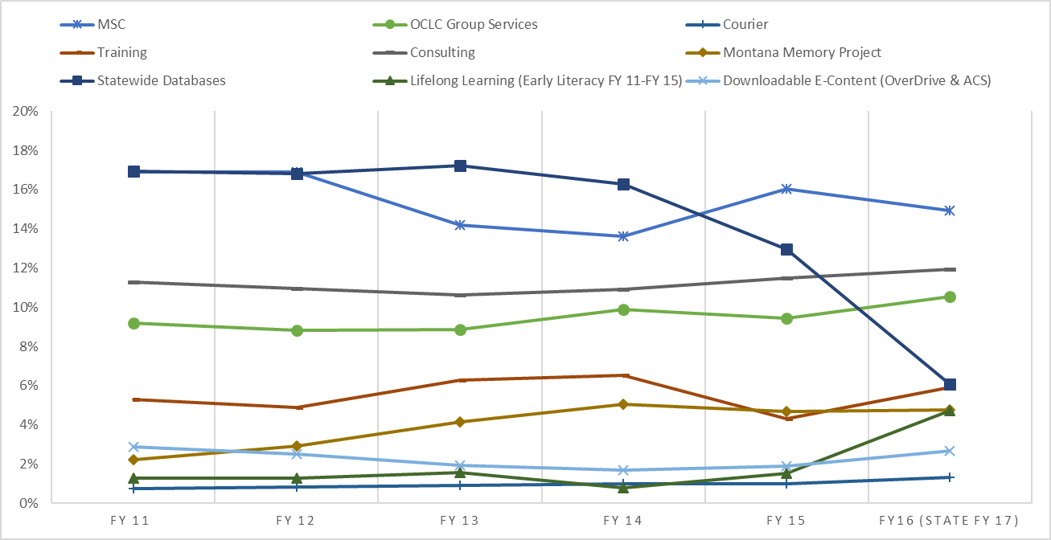

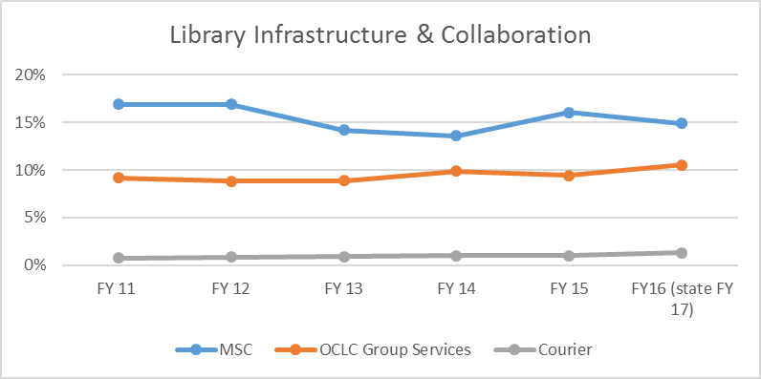
MSC
OCLC Group Services
Courier

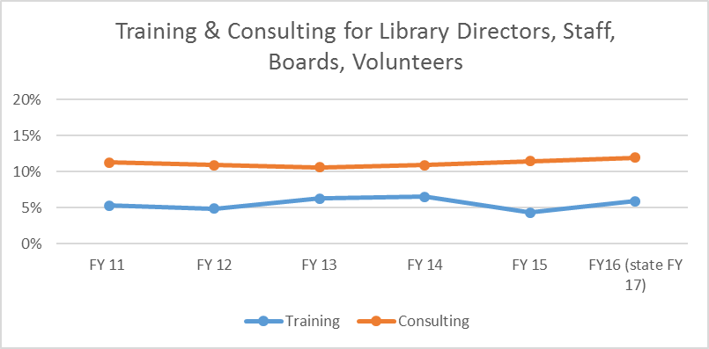
Training
Consulting

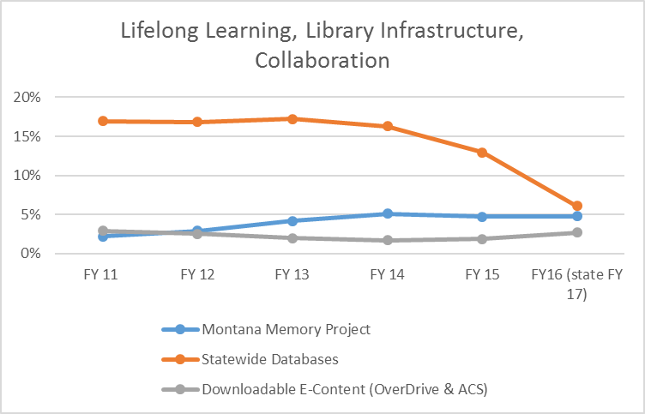
Montana Memory Project
Statewide Databases
Downloadable E-Content (OverDrive & ACS)

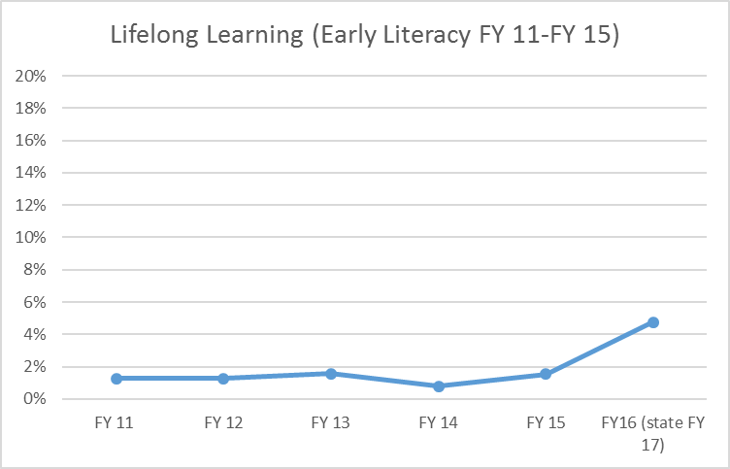
Lifelong Learning (Early Literacy FY 11-FY 15)

