P2.5.chart
Row Labels | Count of Theme
Technology | 24
Training | 19
Community Center | 13
Community Partnerships | 13
Lifelong Learning | 10
Resource Sharing | 8
E-resources | 7
Funding | 7
Consulting | 4
GoToMeeting | 3
Early Literacy | 1
Grand Total | 109

P2.5. When thinking about the future, what new programs or services would you like to see the State Library invest in, or what existing services would you like to see an increased investment in?

P2.6.chart
P2.6. Based on your needs, in what programs or services might the State Library consider decreasing their investment?

Row Labels | Count of Theme
Databases | 23
Training | 20
Federations | 7
DiscoverIT | 7
Early Literacy | 5
Courier | 3
Consulting | 3
MMP | 3
Statistics | 2
MSC | 1
Makerspace | 1
MTLib2Go | 1
Talking Book | 1
Grand Total | 77

P2.6. Based on your needs, in what programs or services might the State Library consider decreasing their investment?

Online Survey Ranking Q
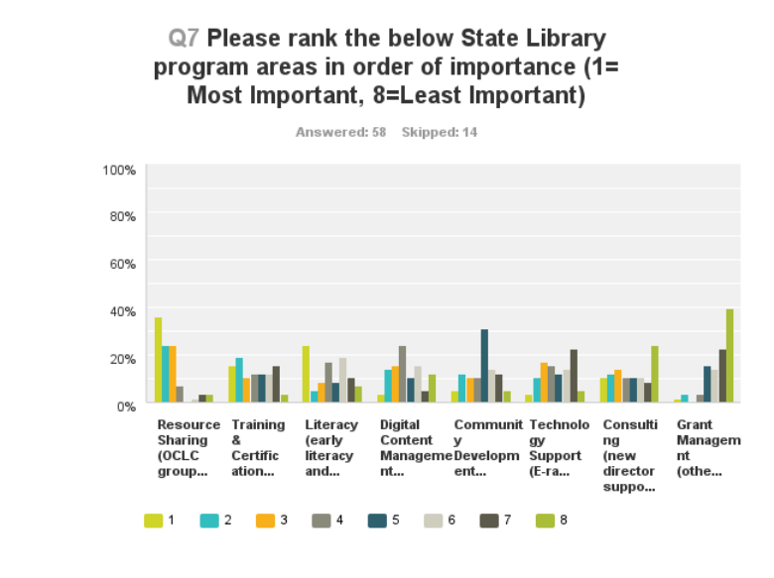

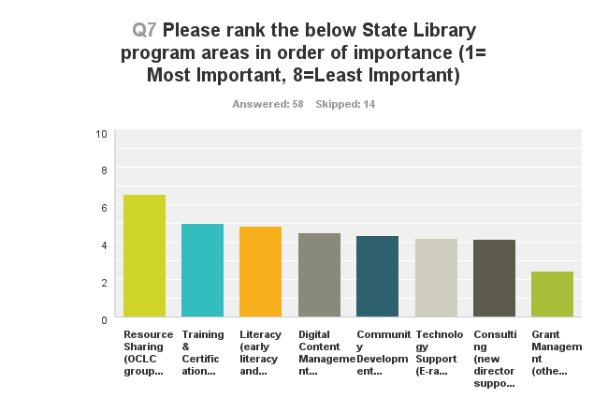

Please rank the below State Library program areas in order of importance (1= Most Important, 8=Least Important)
Answer Options | 1 | 2 | 3 | 4 | 5 | 6 | 7 | 8 | Rating Average | Response Count
Resource Sharing (OCLC group services (excluding MMP); courier program, statewide periodical databases; MontanaLibrary2Go; Discover It!; MSC; EZProxy Centralized Authentication) | 21 | 14 | 14 | 4 | 0 | 1 | 2 | 2 | 6.53 | 58
Training & Certification (certification program, curriculum management, professional development) | 9 | 11 | 6 | 7 | 7 | 7 | 9 | 2 | 4.98 | 58
Literacy (early literacy and summer reading; adult literacy; life long learning) | 14 | 3 | 5 | 10 | 5 | 11 | 6 | 4 | 4.86 | 58
Digital Content Management (Montana Memory Project, MontanaLibrary2Go Local) | 2 | 8 | 9 | 14 | 6 | 9 | 3 | 7 | 4.48 | 58
Community Development (State Aid; Federations; Community partnerships) | 3 | 7 | 6 | 6 | 18 | 8 | 7 | 3 | 4.34 | 58
Technology Support (E-rate consulting; technology evaluation and planning; broadband planning) | 2 | 6 | 10 | 9 | 7 | 8 | 13 | 3 | 4.21 | 58
Consulting (new director support; board development; law, budget, strategic planning consultation) | 6 | 7 | 8 | 6 | 6 | 6 | 5 | 14 | 4.16 | 58
Grant Management (other grants) | 1 | 2 | 0 | 2 | 9 | 8 | 13 | 23 | 2.43 | 58
